Table 1
Table 1: Overall satisfaction with state of transport system in Wales, by household type

 |  | Overall satisfaction with state of transport system in Wales
 |  | Mean | Lower CI | Upper CI
Household type | Single pensioner (no children) | 6.2 | 6.0 | 6.4
 | Married couple pensioner (no children) | 6.0 | 5.9 | 6.2
 | Single person, not a pensioner (no children) | 6.0 | 5.8 | 6.2
 | Two adult household with children | 5.8 | 5.6 | 5.9
 | Two adult household (up to one pensioner) without children | 5.6 | 5.4 | 5.7
 | Single parent household | 5.9 | 5.6 | 6.2
 | Other households | 6.1 | 5.9 | 6.4
 | Total | 5.9 | 5.8 | 6.0

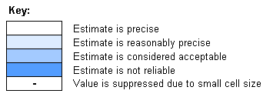
Sample size: 4,600

Version: 1
Released: May 2014
Created by: National Survey for Wales team
Back to contents page

